KKO
KAJIAN KELAYAKAN OPERASI

DAYA LAMA |  |  |  | DAYA BARU
Nama Pelanggan | : | KOS KOSAN DALEMAN TEGAR NUSVIANTO 16x1300 VA |  | Nama Pelanggan | : | KOS KOSAN DALEMAN TEGAR NUSVIANTO 16x1300 VA
Daya Lama (VA) | : | 0 |  | Daya Baru (VA) | : | 20800
Jumlah Fasa | : | 1 | * | Jumlah Fasa | : | 3
Tegangan Sekunder Pengukuran rata-rata (Fasa-Netral) (V) | : | 220 | * | Tegangan Sekunder Pengukuran rata-rata (Fasa-Netral) (V) | : | 380
Beban Pelanggan (A) | : | 0.00 |  | Beban Pelanggan (A) | : | 31.60

SUPLAI TRAFO EKSISTING |  |  |  | SUPLAI TRAFO RENCANA
Nomor Tiang | : | MGN07-50/20/8 |  | Nomor Tiang | : | MGN07-50/20/9
Penyulang | : | mgn07 |  | Penyulang | : | MGN07
Daya | : | 50 | * | Daya | : | 50
Jumlah Fasa | : | 1 | * | Jumlah Fasa | : | 1
Beban TRAFO (Pengukuran Lapangan) |  | 206 |  | Beban TRAFO | : | 50.00
Beban Primer | : | 4.33 | * | Beban Primer | : | 4.33
Beban Sekunder | : | 227.90 | * | Beban Sekunder | : | 227.90
Beban (A) | : | #VALUE! |  | Beban (A) | : | #VALUE!
Prosentase Pembebanan | : | 90% |  | Beban (A) | : | 22%
 | 22% | 100%
Prosentase Pembebanan | : | 100% |  | Beban (A) | : | 100%

DATA





DATA
Tahun | : | 2022
Discount Rate | : | 12%
Transfer price TM | : | 1,084 |  | Marginal COST maret 2022
Umur ekonomis (tahun) | : | 25.00
Selisih Susut Teknis | : | 2.25%
∑ Daya | : | 21
BP (Rp) | : | 19,489,600
RAB (Rp) | : | 88,597,995
Biaya O&M (2% invest) | : | 1,771,959.89

Nama Pelanggan | : | KOS KOSAN DALEMAN TEGAR NUSVIANTO 16x1300 VA | *
Golongan Pelanggan | : | REGULER | *
Jenis Layanan | : | R1 | *
Daya Lama (kVA) | : | - | *
Daya Baru (kVA) | : | 21 | *
Jml Phasa |  | 3
Tegangan |  | 380
Tarif WBP (Rp/kWh) | : | 1,444.70 | *
Tarif LWBP (Rp/kWh) | : | 1,444.70 | *
BP (Rp/VA) TR | : | 937 | *
Jam Nyala | : | 40 | *

RAB
 |  | PT. PLN ( PERSERO )
 |  | UNIT INDUK DISTRIBUSI JAWA TENGAH & DI YOGYAKARTA |  |  |  |  |  |  |  |  |  | RAB TOTAL
 |  | UP3 DEMAK |  |  |  |  |  |  |  |  | RAB TOTAL | RAB NON MDU
 | RENCANA ANGGARAN BIAYA (RAB)

 |  |  |  | Pekerjaan | : | KOS KOSAN DALEMAN TEGAR NUSVIANTO 16x1300 VA
 |  |  |  | Lokasi | : | DS DALEMAN
 |  |  |  | Pelaksana | : | PT. PLN (PERSERO) UP3 DEMAK
 |  |  |  | Anggaran | : | SAR 2023

Note !! 1. Saat Pengisian Uraian di mohon memasukan nama material sesuai dengan nama material di harga satuan
2. Mohon di cek kembali saat pengisian volume material
3. Untuk program Sarana Penunjang Fungsi tidak perlu SLO.
 | NO | URAIAN | GOL | SAT | VOL | HARGA SATUAN | BIAYA YANG DIPERLUKAN ( Rp )
 |  |  |  |  |  |  | MDU | HARDWARE | JASA | JUMLAH

#REF! | A | PEMASANGAN TIANG |  |  |  | 0 | 0 | 0 | 0 | 0
#REF! | + | Tiang Beton 12M-350 daN+E | HDW | Unit | 1 | 6,074,400 | 0 | 6,074,400 | 0 | 6,074,400
#REF! | + | Upah Pasang Tiang Beton 12M-350 daN+E | JASA | Unit | 1 | 852,274 | 0 | 0 | 852,274 | 852,274
#REF! | + | Tiang Beton 9M-200 daN+E | HDW | Unit | 2 | 3,382,600 | 0 | 6,765,200 | 0 | 6,765,200
#REF! | + | Upah Pasang Tiang Beton 9M-200 daN+E | JASA | Unit | 2 | 542,850 | 0 | 0 | 1,085,700 | 1,085,700
#REF! | + | Penomoran Tiang | JASA | Unit | 3 | 10,067 | 0 | 0 | 30,200 | 30,200
#REF! | + | Penghalang Panjat dan Papan Peringatan | HDW | Unit | 1 | 200,000 | 0 | 200,000 | 0 | 200,000
#REF! |  |  |  |  |  | 0 | 0 | 0 | 0 | 0
#REF! | B | PEKERJAAN PEMASANGAN KONSTRUKSI |  |  |  | 0 | 0 | 0 | 0 | 0
#REF! |  |  |  |  |  | 0 | 0 | 0 | 0 | 0
#REF! | + | CA5 |  | Unit | 2 | 0 | 0 | 0 | 0 | 0
#REF! | 1 | Isolator Tarik ( Strainkap Porcelain ) 20 KV | MDU-KD | Set | 2 | 430,000 | 860,000 | 0 | 0 | 860,000
#REF! | 2 | Armour Tape ¼" wide | HDW | Mtr | 2 | 7,789 | 0 | 15,578 | 0 | 15,578
#REF! | 3 | Clevis Swinging Secondary | HDW | Bh | 2 | 15,500 | 0 | 31,000 | 0 | 31,000
v | 4 | Lock Nut ⅝" | HDW | Bh | 4 | 11,400 | 0 | 45,600 | 0 | 45,600
#REF! | 5 | Loop Dead End Clamp / LC ( 35 s/d 240 ) mm² | HDW | Bh | 4 | 29,600 | 0 | 118,400 | 0 | 118,400
#REF! | 6 | Oval Eye Bolt ⅝" x 10" | HDW | Bh | 4 | 27,815 | 0 | 111,260 | 0 | 111,260
#REF! | 7 | Schackle Anchor ⅝" | HDW | Bh | 2 | 16,000 | 0 | 32,000 | 0 | 32,000
#REF! | 8 | Spool Insulator ANSI 53 - 4 | HDW | Bh | 2 | 33,502 | 0 | 67,004 | 0 | 67,004
 | 9 | Washer Square 2 ¼" | HDW | Bh | 4 | 2,500 | 0 | 10,000 | 0 | 10,000
 | 10 | Upah Pasang Konst. JTM 1 Fasa A5 | JASA | Unit | 2 | 50,100 | 0 | 0 | 100,200 | 100,200
#REF! |  |  |  |  |  | 0 | 0 | 0 | 0 | 0
#REF! | + | CM5-2 |  | Unit | 1 | 0 | 0 | 0 | 0 | 0
#REF! | 1 | Isolator Tumpu ( Pin Post ) 20 KV Porcelein | MDU-KD | Bh | 1 | 235,900 | 235,900 | 0 | 0 | 235,900
#REF! | 2 | Center Bracket 12.5 KN | HDW | Bh | 1 | 95,000 | 0 | 95,000 | 0 | 95,000
 | 3 | Bolt Machine ⅝" x 10" | HDW | Bh | 2 | 26,500 | 0 | 53,000 | 0 | 53,000
 | 4 | Washer Square 2 ¼" | HDW | Bh | 2 | 2,500 | 0 | 5,000 | 0 | 5,000
#REF! | 5 | Tie Wire # 4 / Alluminium bonding wire # 20 | HDW | Mtr | 1.8 | 8,550 | 0 | 15,390 | 0 | 15,390
#REF! | 6 | Compresion Terminal Lug 240 mm² | HDW | Bh | 2 | 40,400 | 0 | 80,800 | 0 | 80,800
#REF! | 7 | Upah Pasang Acc.Jar M5-2 | JASA | Unit | 1 | 31,200 | 0 | 0 | 31,200 | 31,200
#REF! |  |  |  |  |  | 0 | 0 | 0 | 0 | 0
 | + | CM5-6 |  | Unit | 1 | 0 | 0 | 0 | 0 | 0
 | 1 | Compresion Conector H type 240 mm² / 240 mm² | HDW | Bh | 1 | 28,100 | 0 | 28,100 | 0 | 28,100
#REF! | 2 | AAAC 240 mm² | MDU-KD | Mtr | 1 | 36,900 | 36,900 | 0 | 0 | 36,900
#REF! | 3 | Lightning Arester (Polymer) 21 KV, 10 KA | MDU-KD | Bh | 1 | 725,900 | 725,900 | 0 | 0 | 725,900
#REF! | 4 | Upah Pasang Acc.Jar M5-6 | JASA | Unit | 1 | 58,400 | 0 | 0 | 58,400 | 58,400
#REF! |  |  |  |  |  | 0 | 0 | 0 | 0 | 0
 | + | CM5-9 |  | Unit | 1 | 0 | 0 | 0 | 0 | 0
#REF! | 1 | FCO Polymer | MDU-KD | Bh | 1 | 848,250 | 848,250 | 0 | 0 | 848,250
#REF! | 2 | Fuse Link 50 A | HDW | Bh | 1 | 32,500 | 0 | 32,500 | 0 | 32,500
#REF! | 3 | Compresion Terminal Lug 70 mm² | HDW | Bh | 1 | 17,100 | 0 | 17,100 | 0 | 17,100
 | 4 | Bracket Extension for cut out | HDW | Bh | 1 | 67,700 | 0 | 67,700 | 0 | 67,700
 | 5 | Upah Pasang Acc.Jar M5-9 | JASA | Unit | 1 | 58,400 | 0 | 0 | 58,400 | 58,400
#REF! |  |  |  |  |  | 0 | 0 | 0 | 0 | 0
#REF! | + | Trafo 1 Fasa CSP 50 KVA (G105, G106, G136) |  | Unit | 1 | 0 | 0 | 0 | 0 | 0
#REF! | 1 | Trafo 1 Fasa CSP 50 kVA | MDU-KD | Bh | 1 | 27,845,400 | 27,845,400 | 0 | 0 | 27,845,400
#REF! | 2 | Jumper Wire : |  |  |  | 0 | 0 | 0 | 0 | 0
#REF! |  | AAAC 70 mm² | MDU-KD | Mtr | 2 | 14,200 | 28,400 | 0 | 0 | 28,400
#REF! |  | NFA2X-T 2 x 70 + N 50 mm² |  |  | 2 | 0 | 0 | 0 | 0 | 0
v | 3 | Hot Line Clamp ( 35mm² s/d 70 mm² ) | HDW | Bh | 1 | 87,000 | 0 | 87,000 | 0 | 87,000
#REF! | 4 | Bracket band segment,vertikal plat ( Hot dip galvanis ) | HDW | Bh | 2 | 404,600 | 0 | 809,200 | 0 | 809,200
#REF! | 5 | Compresion Conector H type 70 mm² / 70 mm² | HDW | Bh | 3 | 15,900 | 0 | 47,700 | 0 | 47,700
#REF! | 6 | Compresion Terminal Lug 70 mm² | HDW | Bh | 2 | 17,100 | 0 | 34,200 | 0 | 34,200
#REF! | 7 | Sepatu Kabel AL/CU Ring 95 | HDW | Bh | 4 | 64,300 | 0 | 257,200 | 0 | 257,200
 | 8 | Armour Rod # for 70 mm² | HDW | Set | 1 | 67,800 | 0 | 67,800 | 0 | 67,800
 | 9 | Ground wire Cu 16 mm² | HDW | Mtr | 2 | 30,000 | 0 | 60,000 | 0 | 60,000
#REF! | 10 | Upah Pasang Trafo 1 Fasa 50 KVA + Bracket | JASA | Unit | 1 | 346,400 | 0 | 0 | 346,400 | 346,400
#REF! |  |  |  |  |  | 0 | 0 | 0 | 0 | 0
#REF! | + | CM2-12A |  | Unit | 3 | 0 | 0 | 0 | 0 | 0
#REF! | 1 | Bimetalic Connector 35 - 240 mm² | HDW | Bh | 3 | 47,459 | 0 | 142,377 | 0 | 142,377
 | 2 | Ground wire Cu 16 mm² | HDW | Mtr | 3 | 30,000 | 0 | 90,000 | 0 | 90,000
 | 3 | Ground rod & Washer | HDW | Bh | 3 | 9,500 | 0 | 28,500 | 0 | 28,500
#REF! | 4 | Upah Pasang Acc.Jar M2-12A | JASA | Unit | 3 | 21,200 | 0 | 0 | 63,600 | 63,600
#REF! |  |  |  |  |  | 0 | 0 | 0 | 0 | 0
#REF! |  |  |  |  |  | 0 | 0 | 0 | 0 | 0
#REF! | + | CM2-11M |  | Unit | 2 | 0 | 0 | 0 | 0 | 0
 | 1 | Ground rod ⅝" x 8" Copper Weld | HDW | Bh | 2 | 185,200 | 0 | 370,400 | 0 | 370,400
 | 2 | Bimetalic Connector 35 - 240 mm² | HDW | Bh | 2 | 47,459 | 0 | 94,918 | 0 | 94,918
#REF! | 3 | Clamp Ground Rod ⅝" | HDW | Bh | 2 | 4,880 | 0 | 9,760 | 0 | 9,760
#REF! | 4 | Ground wire Cu 16 mm² | HDW | Mtr | 20 | 30,000 | 0 | 600,000 | 0 | 600,000
#REF! | 5 | Ground rod & Washer | HDW | Bh | 4 | 9,500 | 0 | 38,000 | 0 | 38,000
#REF! | 6 | Pipa PVC ½" | HDW | Bh | 11 | 6,100 | 0 | 67,100 | 0 | 67,100
 | 7 | Stopping Buckle / Yokes | HDW | Bh | 12 | 2,300 | 0 | 27,600 | 0 | 27,600
#REF! | 8 | Stainless Steel Strap 20 X 0.7 mm | HDW | Mtr | 9.6 | 23,310 | 0 | 223,776 | 0 | 223,776
#REF! | 9 | Upah Pasang Acc.Jar M2-11M | JASA | Unit | 2 | 65,400 | 0 | 0 | 130,800 | 130,800
#REF! | 10 | Sepatu Kabel AL/CU Ring 95 | HDW | Bh | 1 | 64,300 | 0 | 64,300 | 0 | 64,300
 |  |  |  |  |  | 0 | 0 | 0 | 0 | 0
 | + | CM2-12 |  | Unit | 5 | 0 | 0 | 0 | 0 | 0
#REF! | 1 | Bimetalic Connector 35 - 240 mm² | HDW | Bh | 5 | 47,459 | 0 | 237,295 | 0 | 237,295
#REF! | 2 | Ground wire Cu 16 mm² | HDW | Mtr | 4 | 30,000 | 0 | 120,000 | 0 | 120,000
#REF! | 3 | Ground rod & Washer | HDW | Bh | 5 | 9,500 | 0 | 47,500 | 0 | 47,500
#REF! | 4 | Upah Pasang Acc.Jar M2-12 | JASA | Unit | 5 | 16,200 | 0 | 0 | 81,000 | 81,000
 |  |  |  |  |  | 0 | 0 | 0 | 0 | 0
 | + | Compresion Conector H type 70 mm² / 70 mm² | HDW | Unit | 5 | 15,900 | 0 | 79,500 | 0 | 79,500
#REF! | + | NFA2X-T 2 x 70 + N 70 mm² | MDU-KD | Unit | 100 | 53,300 | 5,330,000 | 0 | 0 | 5,330,000
 | + | AAAC 70 mm² | MDU-KD | Unit | 100 | 14,200 | 1,420,000 | 0 | 0 | 1,420,000
#REF! | + | Upah Pasang Penghantar TM A3C 1x70 + 1x70mm² | JASA | Unit | 2 | 222,400 | 0 | 0 | 444,800 | 444,800
#REF! | + | Upah Pasang Penghantar TR LVTC 2x70 + 1x50mm² | MDU-KD | Unit | 2 | 53,300 | 5,330,000 | 0 | 0 | 5,330,000
 |  |  |  |  |  | 0 | 0 | 0 | 0 | 0
 | + | F1-2 |  | Unit | 3 | 0 | 0 | 0 | 0 | 0
#REF! | 1 | Rod Anchor ⅝" x 7' | HDW | Bh | 3 | 104,200 | 0 | 312,600 | 0 | 312,600
 | 2 | Expanding Anchor 8.000 lbs | HDW | Bh | 3 | 120,000 | 0 | 360,000 | 0 | 360,000
 | 3 | Kousen | HDW | Bh | 3 | 4,500 | 0 | 13,500 | 0 | 13,500
#REF! | 4 | Upah Pasang Acc.Jar F1-2 | JASA | Unit | 3 | 55,500 | 0 | 0 | 166,500 | 166,500
 |  |  |  |  |  | 0 | 0 | 0 | 0 | 0
 | + | CE1-2 |  | Unit | 3 | 0 | 0 | 0 | 0 | 0
#REF! | 1 | Bolt Machine ⅝" x 10" | HDW | Bh | 3 | 26,500 | 0 | 79,500 | 0 | 79,500
 | 2 | Guy Attachment / Guy hok | HDW | Bh | 3 | 12,500 | 0 | 37,500 | 0 | 37,500
 | 3 | Guy Wire 35 mm² | HDW | Mtr | 36 | 24,300 | 0 | 874,800 | 0 | 874,800
#REF! | 4 | Three Bolt Clamp | HDW | Bh | 6 | 40,000 | 0 | 240,000 | 0 | 240,000
 | 5 | Washer Square 2 ¼" | HDW | Bh | 3 | 2,500 | 0 | 7,500 | 0 | 7,500
 | 6 | Upah Pasang Acc.Jar E1-2 | JASA | Unit | 3 | 43,500 | 0 | 0 | 130,500 | 130,500
#REF! |  |  |  |  |  | 0 | 0 | 0 | 0 | 0
#REF! | + | SJ6 |  | Unit | 5 | 0 | 0 | 0 | 0 | 0
#REF! | 1 | Armour Tape ¼" wide | HDW | Mtr | 5 | 7,789 | 0 | 38,945 | 0 | 38,945
#REF! | 2 | Clevis Swinging Secondary | HDW | Bh | 5 | 15,500 | 0 | 77,500 | 0 | 77,500
 | 3 | Loop Dead End Clamp / LC ( 35 s/d 240 ) mm² | HDW | Bh | 10 | 29,600 | 0 | 296,000 | 0 | 296,000
 | 4 | Oval Eye Nut ⅝" | HDW | Bh | 5 | 23,936 | 0 | 119,680 | 0 | 119,680
#REF! | 5 | Pole Band Single Rack 7" atau 7 ½" | HDW | Bh | 5 | 57,690 | 0 | 288,450 | 0 | 288,450
 | 6 | Spool Insulator ANSI 53 - 4 | HDW | Bh | 5 | 33,502 | 0 | 167,509 | 0 | 167,509
 | 7 | Upah Pasang Konst. JTR J6 | JASA | Unit | 5 | 35,700 | 0 | 0 | 178,500 | 178,500
#REF! |  |  |  |  |  | 0 | 0 | 0 | 0 | 0
 | + | MJ6-T |  | Unit | 1 | 0 | 0 | 0 | 0 | 0
 | 1 | Insulating Tape | HDW | Bh | 1 | 3,965 | 0 | 3,965 | 0 | 3,965
#REF! | 2 | Split Plastic Sleve ( Tutup Kabel ) | HDW | Bh | 1 | 3,711 | 0 | 3,711 | 0 | 3,711
 | 3 | Stainless Steel Strap 20 x 0.7 mm | HDW | Mtr | 1 | 23,310 | 0 | 23,310 | 0 | 23,310
 | 4 | Stopping Buckle / Yokes | HDW | Bh | 1 | 2,300 | 0 | 2,300 | 0 | 2,300
#REF! | 5 | Upah Pasang Konst. JTR MJ6-T | JASA | Unit | 1 | 22,700 | 0 | 0 | 22,700 | 22,700
#REF! |  |  |  |  |  | 0 | 0 | 0 | 0 | 0
 |  |  |  |  |  | 0 | 0 | 0 | 0 | 0
v | C | PEKERJAAN PEMASANGAN APP |  |  |  | 0 | 0 | 0 | 0 | 0
#REF! | + | Daya 1300 VA |  | Unit | 16 | 0 | 0 | 0 | 0 | 0
v | 1 | KWH MPB; 1P;230V;5(60)A;1;2W | MDU-KD | Bh | 16 | 327,600 | 5,241,600 | 0 | 0 | 5,241,600
#REF! | 2 | MCB 1 Fasa 6 A | MDU-KD | Bh | 16 | 39,000 | 624,000 | 0 | 0 | 624,000
 | 3 | NFA2X 2 x 16 mm² | MDU-KD | Mtr | 560 | 6,600 | 3,696,000 | 0 | 0 | 3,696,000
#REF! | 4 | Upah Pasang SR + APP 1 Fasa | JASA | Unit | 16 | 54,400 | 0 | 0 | 870,400 | 870,400
#REF! |  |  |  |  |  | 0 | 0 | 0 | 0 | 0
v |  |  |  |  |  | 0 | 0 | 0 | 0 | 0
#REF! | D | PEMBONGKARAN |  |  |  | 0 | 0 | 0 | 0 | 0
#REF! |  |  |  |  |  | 0 | 0 | 0 | 0 | 0
#REF! | + | Upah Pasang Sambungan Rumah 1 Fasa | JASA | Unit | 10 | 25,000 | 0 | 0 | 250,000 | 250,000
#REF! | + | Upah Bongkar Tiang Beton 9M-200 daN+E | JASA | Unit | 1 | 309,000 | 0 | 0 | 309,000 | 309,000
#REF! | + | Upah Bongkar Konst. JTR J5 | JASA | Unit | 1 | 15,060 | 0 | 0 | 15,060 | 15,060
 | + | Upah Bongkar Acc.Jar M2-12 | JASA | Unit | 1 | 7,320 | 0 | 0 | 7,320 | 7,320
#REF! |  |  |  |  |  | 0 | 0 | 0 | 0 | 0
 |  |  |  |  |  | 0 | 0 | 0 | 0 | 0
 | E | SLO |  |  |  | 0 | 0 | 0 | 0 | 0
 | 1 | Sertifikasi Laik Operasi | JASA | Lot | 1 | 2.5% |  |  | 1,946,781 | 1,946,781
 |  |  |  |  |  |  | 0 | 0 | 0 | 0

 |  | Jumlah MDU - Hardware - Jasa |  |  |  | : | 52,222,350 | 20,415,928 | 7,179,735 | 79,818,013
 |  | PPN 11% |  |  |  | : | 5,744,459 | 2,245,752 | 789,771 | 8,779,981
 |  | Jumlah Total |  |  |  | : | 57,966,809 | 22,661,680 | 7,969,506 | 88,597,995
 | Terbilang : Delapan Puluh Delapan Juta Lima Ratus Sembilan Puluh Tujuh Ribu Sembilan Ratus Sembilan Puluh Lima Rupiah

 | Harga yang dipakai adalah RAB HSS 2023

 |  |  |  |  |  |  |  | Tegowanu, Mei 2024
 |  |  |  |  |  |  |  | MANAGER ULP TEGOWANU

 |  |  |  |  |  |  |  | HARY PRATAMA

GAMBAR
 |  |  |  |  | PT. PLN (PERSERO) UP3 DEMAK
Hasil Ukur Trafo 3 Ph 50 KVA ( X ) di -
 | X0 | X1 | X2 | X3 | Keterangan Gambar :
SIANG |  |  |  |  | No | Nama Material |  |  | Baru |  | Eksisting
s
s
MALAM | 49 | 64 | 135 |  | 1 | Tiang Beton
 |  |  |  |  | 2 | Tiang Besi
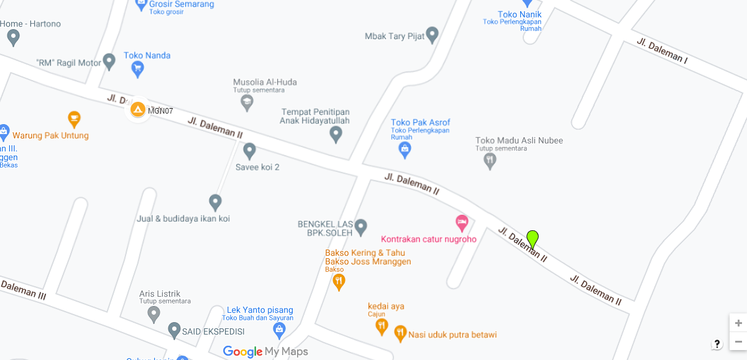
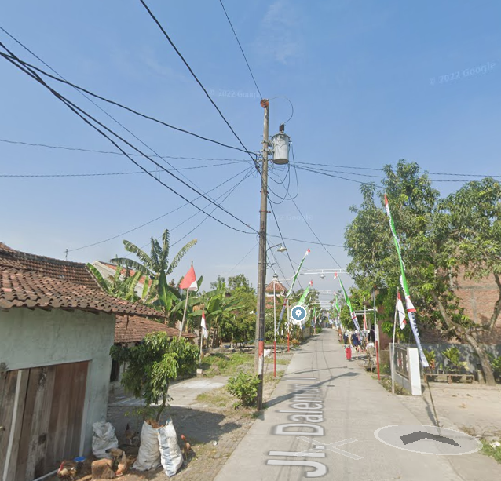
 |  |  |  |  | 3 | JTM 3 Fasa
MGN07-50/20/8
1 CA-5
1 CM5-2
1 CM2-12
2 CCO 70-70
 |  |  |  |  | 4 | JTM 1 Fasa
 |  |  |  |  | 5 | JTR 1 Fasa Only / UB
 |  |  |  |  | 6 | JTR 3 Fasa Only / UB
MGN07-50/20/10
1 SJ6
1 CM2-12
1 CM2-12A
1 CE1-2
1 F1-2
2 SR 1 PH
3 CCO 70-70
 |  |  |  |  | 7 | Trafo 1 Fasa
 |  |  |  |  | 8 | Trafo 3 Fasa
 |  |  |  |  | 9 | Fuse Cut Out
 |  |  |  |  | 10 | ABSW
 |  |  |  |  | 11 | Vang Net
 |  |  |  |  | 12 | Schoor
 |  |  |  |  | 13

 |  |  |  |  | Bongkar Pasang Konstruksi :
 |  |  |  |  | Pasang |  |  |  | Bongkar
 |  |  |  |  | C9-200 E |  | BTG | 2 | SR 1 PH |  | U | 10
 |  |  |  |  | CG 105 50KVA |  | U | 1 | C9-200E |  | BTG | 1
MGN07-50/20/11
1 C9-200 E
2 SJ6
1 CM2-12
1 CM2-12A
1 CE1-2
1 F1-2
2 SR 1 PH
A
 |  |  |  |  | CM2-11M |  | U | 2 | SJ5 |  | U | 1
 |  |  |  |  | SJ6 |  | U | 5 | CM2-12 |  | U | 1
MGN07-50/20/9
1 C12-350 E
1 CA-5
1 CM5-9
1 CM5-6
1 CG-106 50KVA
2 CM2-11M
1 SJ6
1 CM2-12
6 SR 1 PH
100 AAAC 1X70 mm2
37 m
37 m
 |  |  |  |  | MJ6-T |  | U | 1
 |  |  |  |  | CM2-12 |  | U | 5
 |  |  |  |  | CM2-12A |  | U | 3
 |  |  |  |  | CE1-2 |  | U | 3
 |  |  |  |  | F1-2 |  | U | 3
 |  |  |  |  | SR 1 PH |  | U | 10
APP
APP
 |  |  |  |  | C12-350E |  | BTG | 1
 |  |  |  |  | CA-5 |  | U | 2
 |  |  |  |  | CM5-6 |  | U | 1
s
s
 |  |  |  |  | CM5-9 |  | U | 1
 |  |  |  |  | CM5-2 |  | U | 1
s
s
 |  |  |  |  | LVTC 2X70+NX50 mm2 |  | M | 100
 |  |  |  |  | AAAC 1X70mm2 |  | M | 100

MGN07-50/20/9
1 C9-200 E
1 SJ5
1 CM2-12
6 SR 1 PH
MGN07-50/20/12
1 C9-200 E
1 SJ6
1 CM2-12
1 CM2-12A
1 CE1-2
1 F1-2
1 MJ6-T
2 SR 1 PH
100 LVTC 2X70+NX50 mm2
 |  |  |  |  | Keterangan Tambahan : -7.035484, 110.507446

 |  |  |  |  | Golongan
 |  |  |  |  | No. Gambar |  | 1 |  |  | Lembar |  | dr
 |  |  |  |  | Gambar dari |  |  |  |  | Skala
 |  |  |  |  | Perihal:
 |  |  |  |  | KOS KOSAN DALEMAN TEGAR NUSVIANTO 16x1300 VA
 |  |  |  |  | DS DALEMAN

 |  |  |  |  | Digambar |  | Staf Teknik
 |  |  |  |  | Diperiksa |  | TL. Teknik
 |  |  |  |  | Diketahui |  | Manager ULP
 |  |  |  |  | Disetujui |  | Man. Perencanaan

PETA
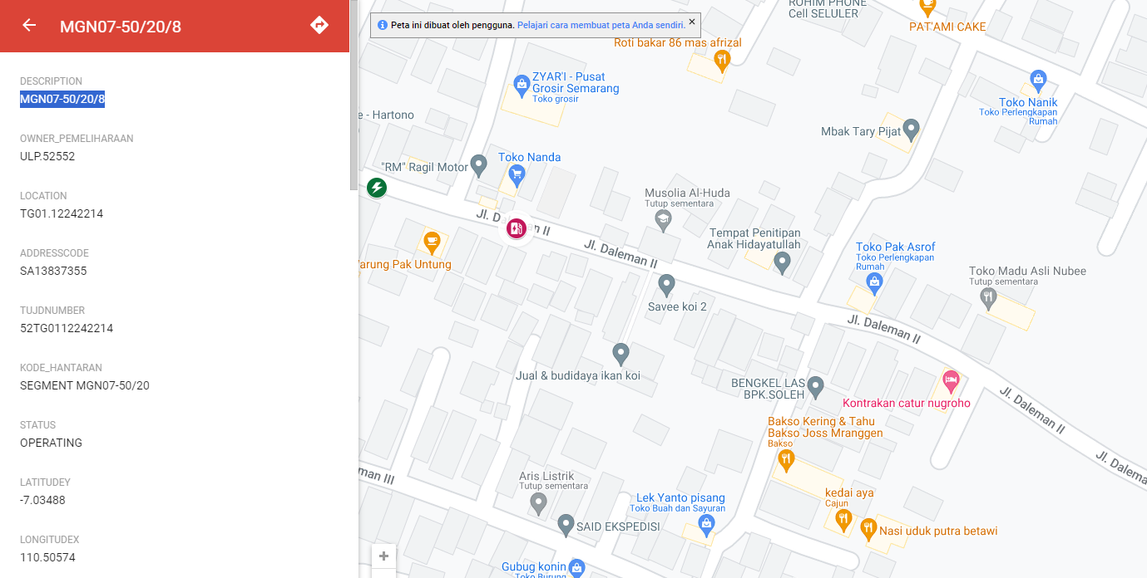
PETA LOKASI PELANGGAN

Keterangan Tambahan : -7.035484, 110.507446

SLD
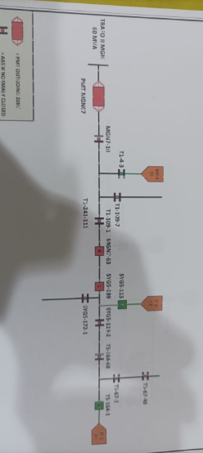
SINGLE LINE DIAGRAM LOKASI PELANGGAN

